Compound preparation
After receiving a quote, to place your order, please:

■ Provide a purchase order.
■ Kindly fill the appropriate assay condition form with detailed compound info and preferred test conditions.
■ Return an electronic copy of this file to | DG-FRDE-BP-ShipmentAddress@reactionbiology.com
and include a hard copy of the respective assay condition form in the compound shipment. (Shipment instructions will follow with the order confirmation) |  | Complying with our guidelines will:
■ Our scientists will perform the tests only based on the assay conditions described in the electronic copy of this form. |  | - Improve the working procedures
 |  | - Maximize the safety of your compound
Compound Management Guidelines |  | - Reduce error sources and open questions

 |  | Thank you very much for consideration!
Compound naming:
■ Please avoid general generic names which cannot unequivocally identify your compounds such as "Compound 1", "Compound 2", "Compound A", etc.

Compound preparation:

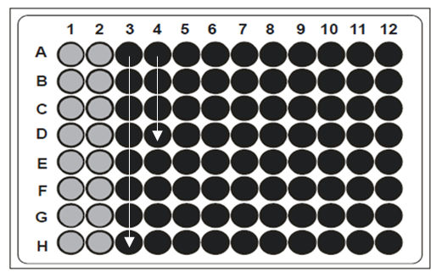
1. Option: Our preference is to receive your compounds as 100x/100% DMSO stocks. For DMSO stocks, shipment and delivery in dry ice is preferred for compound stability. (Required amount of compounds are listed on the sheet of the specific service) |  |  | Fig. 1 Compound stock solutions in microtiter plates
In case you like to provide compound stock solutions in microtiter plates or Micronic boxes, please add compounds column-wise starting with column 3, as depicted in Fig. 1.

2. Option: We also accept compounds in powder form. 1 mg should be enough for most profiling requests, and can be delivered at room temperature or at a temperature of your preference. It is our policy not to weigh customer compounds onsite.

Sample requirements:

■ Exact molecular weight of each compound.
■ Exact weight of each compound.
■ The vessel containing the powder should be large enough to re-suspend the powder in the required volume of the 100x concentrated stock solution.
■ For larger number of compounds delivered in powder form, a processing fee may apply.
■ If greater than 5 mg of powder stock is provided, we have to aliquot the compound stock and a fee may apply.

NOTE: For large scale profiling and HTS screening, or in case you would like to submit compounds in pre-aliquoted, ready-to-use compound plates, please communicate with us for compound plate selection, plate format, and compound volume before you prepare the compound plates.

Safety:
■ Specific precautions in handling your submitted compounds might be required.
■ If this is the case, please send us all relevant MSDSs together with this Assay Condition Form electronically and with the shipment, and specify precautions in the "special request/compound storage" field of the relevant service sheet.
■ If no information is provided, we will handle all submitted compounds as compounds with unknown toxicity,
according to our internal MSDSs (available on request)

Compound arrival, storage condition, and storage duration:
■ Customer will be notified by email when the package arrived at screening facility.
■ Standard storage conditions of all compounds (solids and liquids) upon arrival: -20°C; Proteins: -80°C
■ For any special storage condition, please make a note in the respective project form (additional costs might incur).
■ As a standard practice, we will store client's compounds for 6 months from issue of report
■ Longer storage duration is available upon request and will incur extra charge.

Solubility:
Compounds should be soluble in the 100x concentrated stock solution in 100% DMSO and in the final assay concentration containing 1% DMSO.
■ If you are aware of compound solubility issues at 10 mM/100% DMSO, please advice RBE of the solubility range of the compounds.
■ If your compounds are not soluble at 10 mM/100% DMSO, compounds may be heated to dissolve.
■ If your samples cannot be heated, please make a note in the "Remarks" field of the relevant service sheet.

